Prerequisites
Package | Name | Code Level
99470 | Configuration Management
87325 | Configuration Manager 2.0 | 2012.01
87329 | Configuration Manager 2.0 | 2015.01

Code Set | 343575

All about | https://wiki.ucern.com/pages/releaseview.action?spaceKey=reference&title=All+About+the+MyExperience+User+Console+and+MyExperience+Admin+Console

 | https://wiki.ucern.com/display/reference/Configure+Core+Security+Auditing

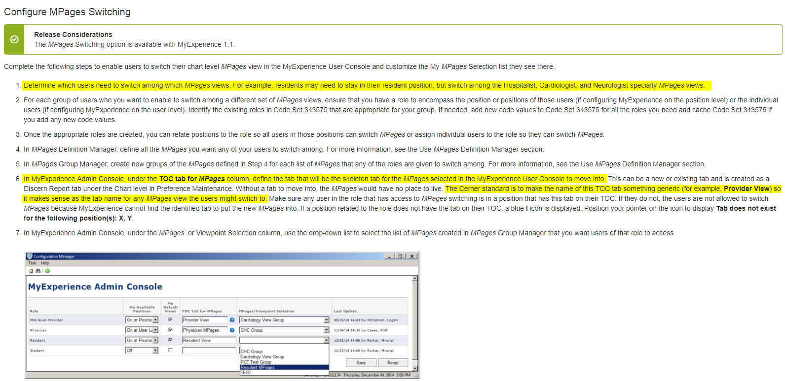
Reset | https://wiki.ucern.com/display/1101securityHP/Resetting+MPages+Views+Using+Specialty+Experience+Manager+Utility
 | Specialty Experience Manager

Prefmaint setting

PVC_NAME | Value
REPORT_NAME | pex_mp_myexp_user_driver
REPORT_PARAM | "MINE","<path to your specific content directory>\pex-mp-myexp-user"

Release Considerations
For releases prior to Cerner Millennium Administration.100, use the following information:
PVC_NAME | Value
PVC_NAME | Value
REPORT_NAME | pex_mp_myview_user_driver
REPORT_PARAM | "MINE","<path to your specific content directory>\pex_mp_myview"

